Dishy Soap
DATE | DESCRIPTION | QTY | BILLS | PRICE | SUBTOTAL | TOTAL
3-Feb-2026 | DISHY 5 L DISHWASHIG | 5 | 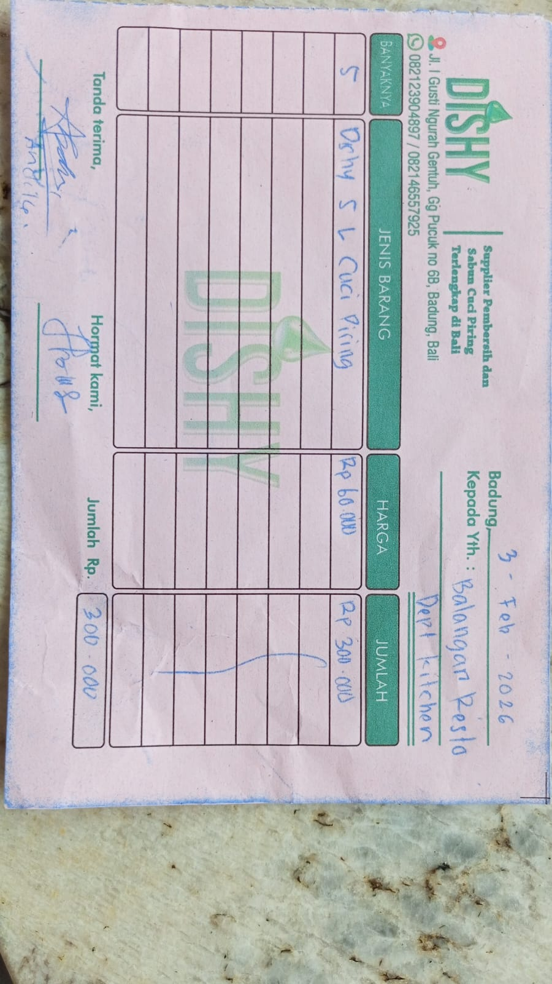 | Rp60,000.00 | Rp300,000.00 | Rp300,000.00
16-Feb-2026 | DISHY 5 L DISHWASHIG | 10 | 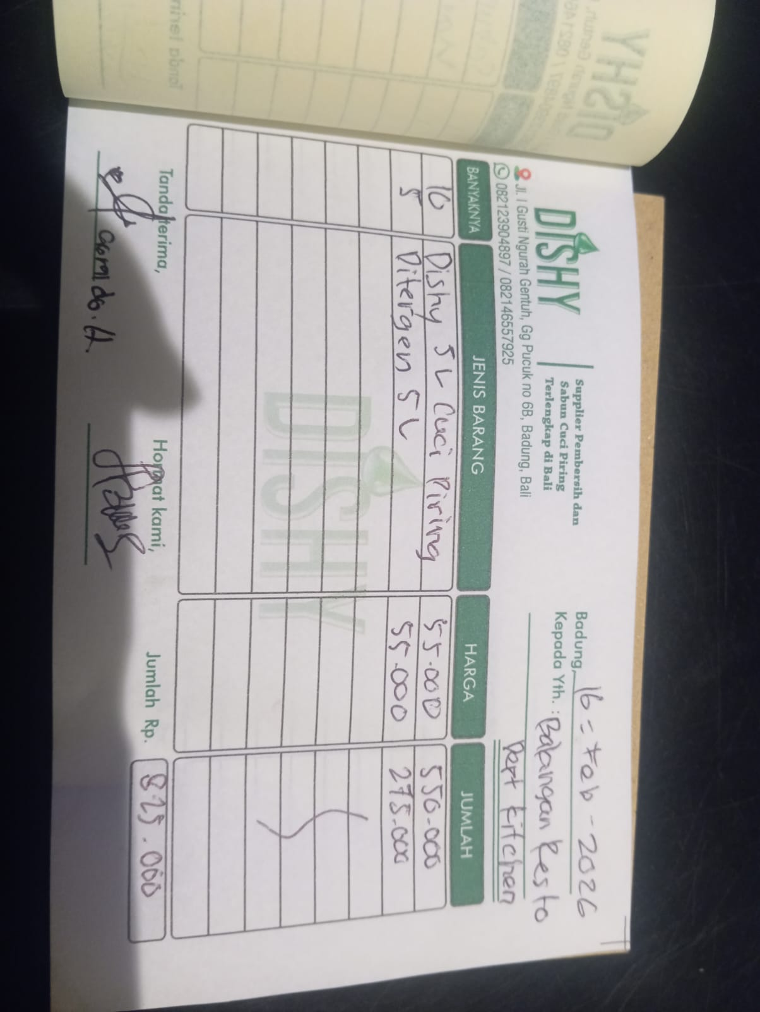 | Rp55,000.00 | Rp550,000.00 | Rp825,000.00
 | DETERGENT 5 L | 5 |  | Rp55,000.00 | Rp275,000.00

GRAND TOTAL |  |  |  |  |  | Rp1,125,000.00

